Folio Count and Average Value
 |  |  |  |  |  |  | 2018-04-23 11:05:19
 |  |  | Folio Count and Average Value By Assessment Area, Jurisdiction and Neighbourhood 2017 Supplemental/PAAB Cycle 9 run on 17-Nov-2017
 | www.bcassessment.ca

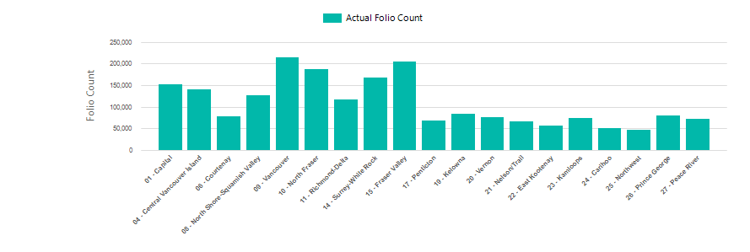

Geographical Area |  |  |  |  | Count | Actual - Total |  | Average Value
 |  |  |  | Total: 213 - Colwood | 6,154 | $3,967,555,031 |  | $644,712
 |  |  |  | Total: 234 - Victoria | 30,371 | $28,291,822,296 |  | $931,541
 |  |  |  | Total: 302 - Central Saanich | 6,700 | $4,844,316,579 |  | $723,032
 |  |  |  | Total: 307 - Esquimalt | 5,335 | $4,291,424,708 |  | $804,391
 |  |  |  | Total: 308 - Saanich (SD61) | 32,218 | $25,311,513,714 |  | $785,633
 |  |  |  | Total: 309 - Saanich (SD63) | 8,806 | $7,975,666,044 |  | $905,708
 |  |  |  | Total: 317 - Oak Bay | 6,990 | $8,683,664,119 |  | $1,242,298
 |  |  |  | Total: 327 - Langford | 14,171 | $8,523,729,806 |  | $601,491
 |  |  |  | Total: 332 - North Saanich | 5,096 | $5,199,642,861 |  | $1,020,338
 |  |  |  | Total: 344 - Metchosin | 1,853 | $1,315,405,476 |  | $709,879
 |  |  |  | Total: 349 - Sooke | 6,030 | $2,570,934,750 |  | $426,357
 |  |  |  | Total: 361 - Highlands (SD61) | 155 | $95,973,301 |  | $619,183
 |  |  |  | Total: 362 - Highlands (SD62) | 811 | $549,843,894 |  | $677,983
 |  |  |  | Total: 363 - Highlands (SD63) | 8 | $10,329,700 |  | $1,291,213
 |  | 389 - Saanich (SD62) |  | 389039 - SAANICH EXTENSION | 4 | $11,587,000 |  | $2,896,750
 |  |  |  | 389200 - CONTINUOUS STRUCTURES | 1 | $720,000 |  | $720,000
 |  |  |  | Total: 389 - Saanich (SD62) | 5 | $12,307,000 |  | $2,461,400
 |  |  |  | Total: 401 - View Royal (SD61) | 3,854 | $2,822,775,956 |  | $732,428
 |  |  |  | Total: 402 - View Royal (SD62) | 21 | $15,498,643 |  | $738,031
 |  |  |  | Total: 476 - Sidney | 6,090 | $3,581,455,043 |  | $588,088
 |  |  |  | Total: 761 - Victoria Rural | 19 | $36,786,800 |  | $1,936,147
 |  |  |  | Total: 762 - Victoria Rural | 3,673 | $1,763,849,455 |  | $480,220
 |  |  |  | Total: 763 - Gulf Islands Rural | 685 | $451,782,833 |  | $659,537
 |  |  |  | Total: 764 - Gulf Islands Rural | 13,451 | $6,417,556,656 |  | $477,106
 |  | Total: 01 - Capital |  |  | 152,496 | $116,733,834,665 |  | $765,488
 |  | Total: 04 - Central Vancouver Island |  |  | 139,508 | $58,603,637,022 |  | $420,074
 |  | Total: 06 - Courtenay |  |  | 78,226 | $28,240,646,379 |  | $361,014
 |  | Total: 08 - North Shore-Squamish Valley |  |  | 126,368 | $175,952,833,358 |  | $1,392,384
 |  | Total: 09 - Vancouver |  |  | 214,399 | $490,302,444,411 |  | $2,286,869
 |  | Total: 10 - North Fraser |  |  | 187,426 | $228,258,549,609 |  | $1,217,860
 |  | Total: 11 - Richmond-Delta |  |  | 116,751 | $161,280,189,830 |  | $1,381,403
 |  | Total: 14 - Surrey-White Rock |  |  | 167,587 | $168,278,175,681 |  | $1,004,124
 |  | Total: 15 - Fraser Valley |  |  | 205,086 | $142,685,723,638 |  | $695,736
...

